Rope
FROM: | Mark Biegert
SUBJECT: | Rope Tensions
DATE: | 23-Jan-2018

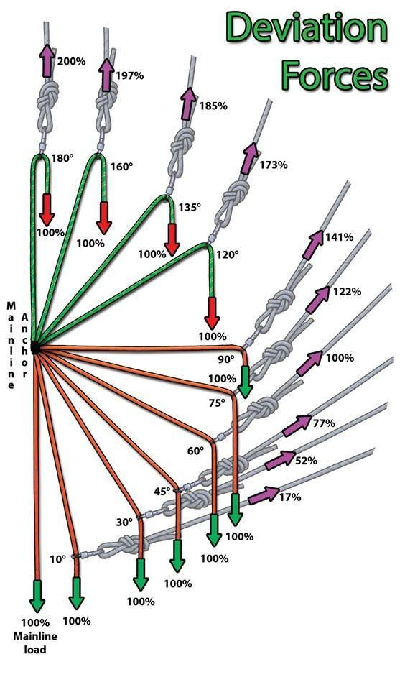

 |  | θ (degrees) | θ (radians) | φ (radians) | φ (degrees) | Gray Rope Tension (Derived Eq) | Gray Rope Tension (Alternate Eq)
 |  | 180 | 0.00 | 0.00 | 0.00 | 2.00 | 2.00
 |  | 160 | 0.35 | 0.17 | 10.00 | 1.97 | 1.97
 |  | 135 | 0.79 | 0.39 | 22.50 | 1.85 | 1.85
 |  | 120 | 1.05 | 0.52 | 30.00 | 1.73 | 1.73
 |  | 90 | 1.57 | 0.79 | 45.00 | 1.41 | 1.41
 |  | 75 | 1.83 | 0.92 | 52.50 | 1.22 | 1.22
 |  | 60 | 2.09 | 1.05 | 60.00 | 1.00 | 1.00
 |  | 45 | 2.36 | 1.18 | 67.50 | 0.77 | 0.77
 |  | 30 | 2.62 | 1.31 | 75.00 | 0.52 | 0.52
 |  | 10 | 2.97 | 1.48 | 85.00 | 0.17 | 0.17

 |  |  | https://www.pinterest.com/pin/374572894003922934/

