TwoResistorLinearizer
FROM: | Mark Biegert
SUBJECT: | Two-Resistor Thermistor Linearizer Tool
DATE: | 31-Jan-14

Thermistor Specifications
 | Beta | 3550 | K
 | Reference Temperature | 25 | °C
 | Reference Resistance | 10000 | Ω

Circuit Specifications
 | Inflection Temperature (TI) | 46 | °C
 | Thermistor Resistance @ TI | 4568 | Ω
 | Series Resistance Minimum | 3176 | Ω
 | Critical Ratio | 41.0% | Desired Ratio Lower Bound
 | Desired Ratio @ TI | 45% | Desired

Circuit Parameters
 | Series Resistance | 3406 | Ω
 | Parallel Resistance | 46951 | Ω

Generate Plot
 | mIdeal | 0.007861214068 | Slope
Ideal Versus Linearized Thermistor Ratio

Inflection Temperature = 46 °C µ = 0.45

Thermistor Characteristics: ß = 3550 °K R0 = 10000 Ω TREF = 25 °C

Example Specification

Schematic
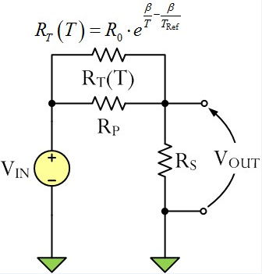

Temperature (°C) | Thermistor Resistance (Ω) | Resistor Ratio (%) | Linear Ideal
-20 | 83024 | 10.2% | -0.069
-10 | 48727 | 12.5% | 0.010
0 | 29736 | 15.8% | 0.088
10 | 18790 | 20.2% | 0.167
20 | 12252 | 26.0% | 0.246
30 | 8217 | 32.8% | 0.324
40 | 5653 | 40.3% | 0.403
50 | 3981 | 48.1% | 0.481
60 | 2862 | 55.8% | 0.560
70 | 2098 | 62.9% | 0.639
80 | 1566 | 69.2% | 0.717
90 | 1187 | 74.6% | 0.796
100 | 913 | 79.2% | 0.875

Indicator Plot
46 | 0
46 | 0.45
100 | 0.45

