Simple_Approach
FROM: | Mark Biegert
SUBJECT: | Personal Investment Example
DATE: | 19-Dec-14

x-axis lab | Age
y-axis lab | Savings
title | Growth of Savings Account

Growth of Savings Account

Interest = 7.0%
Susan invests $5,000 annually between ages of 25 and 35.
In total, she invests $50,000
Bill invests $5,000 annually between the ages of 35 and 65.
In total, he invests $150,000.
Chris invests $5,000 annually between the ages of 25 and 65.
In total, he invests $200,000.

End Of Year Value
Interest | 7.0%
Int Label | Interest = 7.0%
 | Susan |  | Bill |  | Chris
End Of Year Value
End Of Year Value
Age | Contribution at Start of Year | 0 | Contribution at Start of Year | 0 | Contribution at Start of Year | $0.00 | End Point Susan | End Point Bill | End Point Chris | Begin Point Susan | Begin Point Bill | Begin Point Chris
25 | $5,000 | $5,350.00 | $0 | #N/A | $5,000 | $5,350.00 | #N/A | #N/A | #N/A | #N/A | #N/A | 0
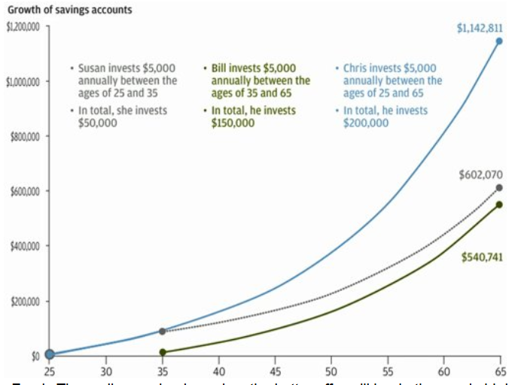
26 | $5,000 | $11,074.50 | $0 | #N/A | $5,000 | $11,074.50 | #N/A | #N/A | #N/A | #N/A | #N/A | #N/A
27 | $5,000 | $17,199.72 | $0 | #N/A | $5,000 | $17,199.72 | #N/A | #N/A | #N/A | #N/A | #N/A | #N/A
28 | $5,000 | $23,753.70 | $0 | #N/A | $5,000 | $23,753.70 | #N/A | #N/A | #N/A | #N/A | #N/A | #N/A
29 | $5,000 | $30,766.45 | $0 | #N/A | $5,000 | $30,766.45 | #N/A | #N/A | #N/A | #N/A | #N/A | #N/A
30 | $5,000 | $38,270.11 | $0 | #N/A | $5,000 | $38,270.11 | #N/A | #N/A | #N/A | #N/A | #N/A | #N/A
31 | $5,000 | $46,299.01 | $0 | #N/A | $5,000 | $46,299.01 | #N/A | #N/A | #N/A | #N/A | #N/A | #N/A
32 | $5,000 | $54,889.94 | $0 | #N/A | $5,000 | $54,889.94 | #N/A | #N/A | #N/A | #N/A | #N/A | #N/A
33 | $5,000 | $64,082.24 | $0 | #N/A | $5,000 | $64,082.24 | #N/A | #N/A | #N/A | #N/A | #N/A | #N/A
34 | $5,000 | $73,918.00 | $0 | #N/A | $5,000 | $73,918.00 | #N/A | #N/A | #N/A | #N/A | #N/A | #N/A
35 | $0 | $79,092.26 | $5,000 | $5,350.00 | $5,000 | $84,442.26 | #N/A | #N/A | #N/A | $5,000.00 | $79,092.26 | #N/A
36 | $0 | $84,628.71 | $5,000 | $11,074.50 | $5,000 | $95,703.21 | #N/A | #N/A | #N/A | #N/A | #N/A | #N/A
37 | $0 | $90,552.72 | $5,000 | $17,199.72 | $5,000 | $107,752.44 | #N/A | #N/A | #N/A | #N/A | #N/A | #N/A
38 | $0 | $96,891.42 | $5,000 | $23,753.70 | $5,000 | $120,645.11 | #N/A | #N/A | #N/A | #N/A | #N/A | #N/A
39 | $0 | $103,673.81 | $5,000 | $30,766.46 | $5,000 | $134,440.27 | #N/A | #N/A | #N/A | #N/A | #N/A | #N/A
40 | $0 | $110,930.98 | $5,000 | $38,270.11 | $5,000 | $149,201.09 | #N/A | #N/A | #N/A | #N/A | #N/A | #N/A
41 | $0 | $118,696.15 | $5,000 | $46,299.02 | $5,000 | $164,995.16 | #N/A | #N/A | #N/A | #N/A | #N/A | #N/A
42 | $0 | $127,004.88 | $5,000 | $54,889.95 | $5,000 | $181,894.82 | #N/A | #N/A | #N/A | #N/A | #N/A | #N/A
43 | $0 | $135,895.22 | $5,000 | $64,082.25 | $5,000 | $199,977.46 | #N/A | #N/A | #N/A | #N/A | #N/A | #N/A
44 | $0 | $145,407.89 | $5,000 | $73,918.01 | $5,000 | $219,325.88 | #N/A | #N/A | #N/A | #N/A | #N/A | #N/A
45 | $0 | $155,586.44 | $5,000 | $84,442.27 | $5,000 | $240,028.70 | #N/A | #N/A | #N/A | #N/A | #N/A | #N/A
46 | $0 | $166,477.49 | $5,000 | $95,703.23 | $5,000 | $262,180.70 | #N/A | #N/A | #N/A | #N/A | #N/A | #N/A
47 | $0 | $178,130.91 | $5,000 | $107,752.46 | $5,000 | $285,883.35 | #N/A | #N/A | #N/A | #N/A | #N/A | #N/A
48 | $0 | $190,600.08 | $5,000 | $120,645.13 | $5,000 | $311,245.19 | #N/A | #N/A | #N/A | #N/A | #N/A | #N/A
49 | $0 | $203,942.08 | $5,000 | $134,440.29 | $5,000 | $338,382.35 | #N/A | #N/A | #N/A | #N/A | #N/A | #N/A
50 | $0 | $218,218.03 | $5,000 | $149,201.11 | $5,000 | $367,419.12 | #N/A | #N/A | #N/A | #N/A | #N/A | #N/A
51 | $0 | $233,493.29 | $5,000 | $164,995.19 | $5,000 | $398,488.45 | #N/A | #N/A | #N/A | #N/A | #N/A | #N/A
52 | $0 | $249,837.82 | $5,000 | $181,894.85 | $5,000 | $431,732.65 | #N/A | #N/A | #N/A | #N/A | #N/A | #N/A
53 | $0 | $267,326.47 | $5,000 | $199,977.49 | $5,000 | $467,303.93 | #N/A | #N/A | #N/A | #N/A | #N/A | #N/A
54 | $0 | $286,039.32 | $5,000 | $219,325.91 | $5,000 | $505,365.21 | #N/A | #N/A | #N/A | #N/A | #N/A | #N/A
55 | $0 | $306,062.08 | $5,000 | $240,028.72 | $5,000 | $546,090.77 | #N/A | #N/A | #N/A | #N/A | #N/A | #N/A
56 | $0 | $327,486.42 | $5,000 | $262,180.73 | $5,000 | $589,667.13 | #N/A | #N/A | #N/A | #N/A | #N/A | #N/A
57 | $0 | $350,410.47 | $5,000 | $285,883.38 | $5,000 | $636,293.82 | #N/A | #N/A | #N/A | #N/A | #N/A | #N/A
58 | $0 | $374,939.20 | $5,000 | $311,245.22 | $5,000 | $686,184.39 | #N/A | #N/A | #N/A | #N/A | #N/A | #N/A
59 | $0 | $401,184.95 | $5,000 | $338,382.39 | $5,000 | $739,567.30 | #N/A | #N/A | #N/A | #N/A | #N/A | #N/A
60 | $0 | $429,267.89 | $5,000 | $367,419.16 | $5,000 | $796,687.01 | #N/A | #N/A | #N/A | #N/A | #N/A | #N/A
61 | $0 | $459,316.65 | $5,000 | $398,488.50 | $5,000 | $857,805.10 | #N/A | #N/A | #N/A | #N/A | #N/A | #N/A
62 | $0 | $491,468.81 | $5,000 | $431,732.70 | $5,000 | $923,201.46 | #N/A | #N/A | #N/A | #N/A | #N/A | #N/A
63 | $0 | $525,871.63 | $5,000 | $467,303.99 | $5,000 | $993,175.56 | #N/A | #N/A | #N/A | #N/A | #N/A | #N/A
64 | $0 | $562,682.64 | $5,000 | $505,365.27 | $5,000 | $1,068,047.85 | #N/A | #N/A | #N/A | #N/A | #N/A | #N/A
65 | $0 | $602,070.43 |  | $540,740.84 |  | $1,142,811.20 | $602,070.43 | $540,740.84 | $1,142,811.20 | #N/A | #N/A | #N/A

