ConditionalFormatting
FROM: | Mark Biegert
SUBJECT: | Theme
DATE: | 23-Jan-2018

 | Interface | Requirement Category | Requirement | Interface | Requirement Category | Requirement
 | Transmitter | Jitter | Req 1 | Transmitter | Jitter | Req 1
 | Transmitter | Jitter | Req 2 | Transmitter | Jitter | Req 2
 | Transmitter | Jitter | Req 3 | Transmitter | Jitter | Req 3
 | Transmitter | Jitter | Req 4 | Transmitter | Jitter | Req 4
 | Transmitter | Impedance | Req 5 | Transmitter | Impedance | Req 5
 | Transmitter | Impedance | Req 6 | Transmitter | Impedance | Req 6
 | Transmitter | Impedance | Req 7 | Transmitter | Impedance | Req 7
 | Receiver | Dynamic Range | Req 8 | Receiver | Dynamic Range | Req 8
 | Receiver | Dynamic Range | Req 9 | Receiver | Dynamic Range | Req 9
 | Receiver | Dynamic Range | Req 10 | Receiver | Dynamic Range | Req 10
 | Receiver | Dynamic Range | Req 11 | Receiver | Dynamic Range | Req 11
 | Receiver | Frequency Response | Req 12 | Receiver | Frequency Response | Req 12
 | Receiver | Frequency Response | Req 13 | Receiver | Frequency Response | Req 13
 | Receiver | Frequency Response | Req 14 | Receiver | Frequency Response | Req 14
 | Receiver | Frequency Response | Req 15 | Receiver | Frequency Response | Req 15

Hide the Value of it is the same as the previous
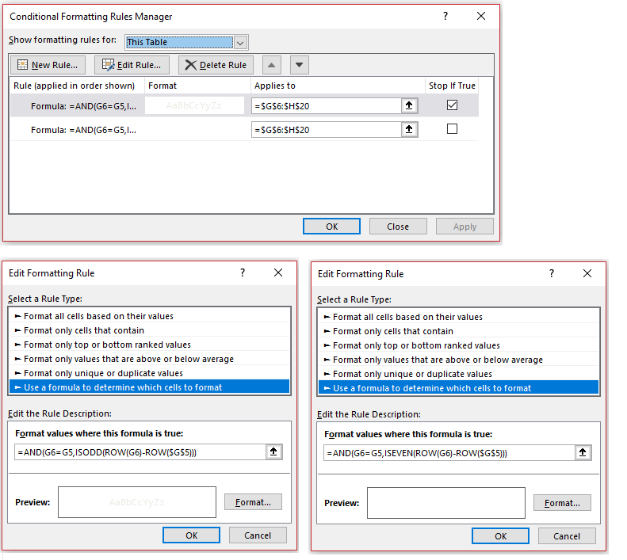

Generate the row number

 | =AND(G6=G5,ISEVEN(ROW(G6)-ROW($G$5)))

Even-numbered rows need a white font
If neither condition holds, the default black font color is used

Hide the Value of it is the same as the previous

Generate the row number

 | =AND(G6=G5,ISODD(ROW(G6)-ROW($G$5)))

Even-numbered rows need a gray font

Font is light gray, just like the odd-numbered background
Font is white, just like the even-numbered background

