PivotTable
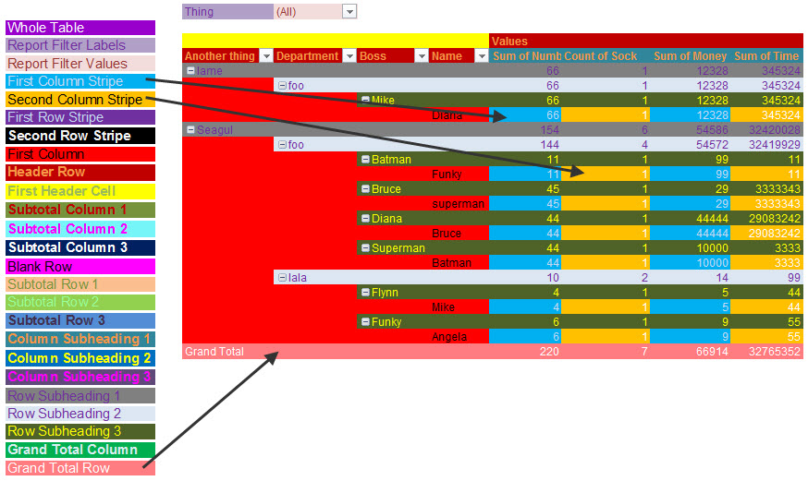
FROM: | Mark Biegert
SUBJECT: | Theme
DATE: | 23-Jan-2018

 | Unit | All

 | Sum of Value | Basing |  |  |  |  |  |  |  | Unit | Sorties
 | Date | Carrier | Land |  |  |  |  |  |  | Basing | Carrier
 | 1941-12-01 |  | 50
 | 1942-02-01 | 253 |  |  |  |  |  |  |  | Sum of Value |  | Type
 | 1942-03-01 | 153 |  |  |  |  |  |  |  | Date (Year) | Date (Quarter) | Dive Bomber | Fighter | Torpedo Bomber | Grand Total
 | 1942-04-01 | 8 |  |  |  |  |  |  |  | 1942 | Qtr1 | 240 | 73 | 72 | 385
 | 1942-05-01 | 340 |  |  |  |  |  |  |  |  | Qtr2 | 212 | 174 | 110 | 496
 | 1942-06-01 | 171 | 30 |  |  |  |  |  |  |  | Qtr3 | 422 | 181 | 78 | 681
 | 1942-08-01 | 693 | 92 |  |  |  |  |  |  |  | Qtr4 | 280 | 510 | 105 | 895
 | 1942-09-01 |  | 493 |  |  |  |  |  |  | 1943 | Qtr1 | 24 | 58 | 16 | 98
 | 1942-10-01 | 295 | 801 |  |  |  |  |  |  |  | Qtr2 |  | 86 |  | 86
 | 1942-11-01 | 623 | 547 |  |  |  |  |  |  |  | Qtr3 | 145 | 193 | 155 | 493
 | 1942-12-01 |  | 331 |  |  |  |  |  |  |  | Qtr4 | 1288 | 2007 | 1155 | 4450
 | 1943-01-01 | 83 | 373 |  |  |  |  |  |  | 1944 | Qtr1 | 2385 | 4580 | 2387 | 9352
 | 1943-02-01 | 21 | 375 |  |  |  |  |  |  |  | Qtr2 | 3387 | 8115 | 3436 | 14938
 | 1943-03-01 |  | 171 |  |  |  |  |  |  |  | Qtr3 | 6071 | 14756 | 6604 | 27431
 | 1943-04-01 |  | 213 |  |  |  |  |  |  |  | Qtr4 | 3312 | 10489 | 3606 | 17407
 | 1943-05-01 | 88 | 251 |  |  |  |  |  |  | 1945 | Qtr1 | 2434 | 17957 | 6337 | 26728
 | 1943-06-01 |  | 521 |  |  |  |  |  |  |  | Qtr2 | 2724 | 18473 | 9543 | 30740
 | 1943-07-01 | 8 | 1973 |  |  |  |  |  |  |  | Qtr3 | 1716 | 8344 | 2638 | 12698
 | 1943-08-01 | 298 | 798 |  |  |  |  |  |  | Grand Total |  | 24640 | 85996 | 36242 | 146878
 | 1943-09-01 | 203 | 1174
 | 1943-10-01 | 951 | 1120
 | 1943-11-01 | 3023 | 2020
 | 1943-12-01 | 552 | 1979
 | 1944-01-01 | 2834 | 2339
 | 1944-02-01 | 4821 | 3238
 | 1944-03-01 | 1818 | 4585
 | 1944-04-01 | 5319 | 4108
 | 1944-05-01 | 920 | 4396
 | 1944-06-01 | 8826 | 3113
 | 1944-07-01 | 12615 | 5059
 | 1944-08-01 | 1745 | 6686
 | 1944-09-01 | 13238 | 5637
 | 1944-10-01 | 11027 | 6702
 | 1944-11-01 | 4442 | 6048
 | 1944-12-01 | 2107 | 3364
 | 1945-01-01 | 8706 | 2845
 | 1945-02-01 | 6033 | 7350
 | 1945-03-01 | 12234 | 7451
 | 1945-04-01 | 16144 | 6960
 | 1945-05-01 | 9142 | 5994
 | 1945-06-01 | 5709 | 5584
 | 1945-07-01 | 8526 | 4144
 | 1945-08-01 | 4293 | 921
 | Grand Total | 148262 | 109836

 |  |  | 219672 | 0 | 0 | 0 | 0 | 0 | 0

Graphic
 |  |  |  |  |  |  |  |  | -1

Battle | Start | End | Duration | Height | Start | End | Duration | Label | Vert. Position | Vert. Line
The Battle of Coral Sea | 4-May-42 | 8-May-42 | 4 | 90 | 1942-05-04 | 1942-05-08 | 4 | Coral Sea | -9 | 9
Battle of Midway | 4-Jun-42 | 7-Jun-42 | 3 | 80 | 1942-06-04 | 1942-06-07 | 3 | Midway | -12 | 12
The Battle of Guadalcanal | 7-Aug-42 | 9-Feb-43 | 186 | 70 | 1942-08-07 | 1943-02-09 | 186 | Guadalcanal | -15 | 15
Battle of Tarawa | 20-Nov-43 | 23-Nov-43 | 3 | 60 | 1943-06-20 | 1943-10-07 | 109 | New Georgia | -9 | 9
Battle of Leyte | 14-Oct-44 | 31-Dec-44 | 78 | 50 | 1943-11-20 | 1943-11-23 | 3 | Tarawa | -16 | 16
Battle of Iwo Jima | 19-Feb-45 | 26-Mar-45 | 35 | 40 | 1944-06-19 | 1944-06-20 | 1 | Philippine Sea | -12 | 12
Battle of Okinawa | 1-Apr-45 | 15-Jun-45 | 75 | 30 | 1944-10-14 | 1944-12-31 | 78 | Leyte Invasion | -20 | 20
Bombing of Hiroshima and Nagasaki | 6-Aug-45 | 9-Aug-45 | 3 | 20 | 1944-09-15 | 1944-11-24 | 70 | Peleliu | -17 | 17
 |  |  |  |  | 1945-02-19 | 1945-03-26 | 35 | Iwo Jima | -11 | 11
 |  |  |  |  | 1945-04-01 | 1945-06-15 | 75 | Okinawa | -14 | 14
 |  |  |  |  | 1945-08-06 | 1945-08-09 | 3 | Atomic Bombings | -17 | 17
 |  |  |  |  | 4-Feb-45 | 3-Mar-45 | 27 | Manila | -8 | 8
 |  |  |  |  | 2-Sep-45 | 2-Sep-45 | 0 | VJ Day | -20 | 20

Total USN Pacific Sorties (Fighters/Bombers) vs Time and Battles
 | Sortie |  | Land |  | Ref
12/1/1941 |  | 12/1/1941 | 50 | 5/4/1942 | -9
2/1/1942 | 253 | 2/1/1942 |  | 6/4/1942 | -12
3/1/1942 | 153 | 3/1/1942 |  | 8/7/1942 | -15
4/1/1942 | 8 | 4/1/1942 |  | 6/20/1943 | -9
5/1/1942 | 340 | 5/1/1942 |  | 11/20/1943 | -16
6/1/1942 | 171 | 6/1/1942 | 30 | 6/19/1944 | -12
8/1/1942 | 693 | 8/1/1942 | 92 | 10/14/1944 | -20
9/1/1942 |  | 9/1/1942 | 493 | 9/15/1944 | -17
10/1/1942 | 295 | 10/1/1942 | 801 | 2/19/1945 | -11
11/1/1942 | 623 | 11/1/1942 | 547 | 4/1/1945 | -14
12/1/1942 |  | 12/1/1942 | 331 | 8/6/1945 | -17
1/1/1943 | 83 | 1/1/1943 | 373 | 2/4/1945 | -8
2/1/1943 | 21 | 2/1/1943 | 375 | 9/2/1945 | -20
3/1/1943 |  | 3/1/1943 | 171
4/1/1943 |  | 4/1/1943 | 213
5/1/1943 | 88 | 5/1/1943 | 251
6/1/1943 |  | 6/1/1943 | 521
7/1/1943 | 8 | 7/1/1943 | 1973
8/1/1943 | 298 | 8/1/1943 | 798
9/1/1943 | 203 | 9/1/1943 | 1174
10/1/1943 | 951 | 10/1/1943 | 1120
11/1/1943 | 3023 | 11/1/1943 | 2020
12/1/1943 | 552 | 12/1/1943 | 1979
1/1/1944 | 2834 | 1/1/1944 | 2339
2/1/1944 | 4821 | 2/1/1944 | 3238
3/1/1944 | 1818 | 3/1/1944 | 4585
4/1/1944 | 5319 | 4/1/1944 | 4108
5/1/1944 | 920 | 5/1/1944 | 4396
6/1/1944 | 8826 | 6/1/1944 | 3113
7/1/1944 | 12615 | 7/1/1944 | 5059
8/1/1944 | 1745 | 8/1/1944 | 6686
9/1/1944 | 13238 | 9/1/1944 | 5637
10/1/1944 | 11027 | 10/1/1944 | 6702
11/1/1944 | 4442 | 11/1/1944 | 6048
12/1/1944 | 2107 | 12/1/1944 | 3364
1/1/1945 | 8706 | 1/1/1945 | 2845
2/1/1945 | 6033 | 2/1/1945 | 7350
3/1/1945 | 12234 | 3/1/1945 | 7451
4/1/1945 | 16144 | 4/1/1945 | 6960
5/1/1945 | 9142 | 5/1/1945 | 5994
6/1/1945 | 5709 | 6/1/1945 | 5584
7/1/1945 | 8526 | 7/1/1945 | 4144
8/1/1945 | 4293 | 8/1/1945 | 921

 | Date | Value
 | Jan-42 | 0
 | Feb-42 | 0
 | Mar-42 | 0
 | Apr-42 | 0
 | May-42 | 0
 | Jun-42 | 0
 | Jul-42 | 0
 | Aug-42 | 0
 | Sep-42 | 0
 | Oct-42 | 0
 | Nov-42 | 0
 | Dec-42 | 0
 | Jan-43 | 0
 | Feb-43 | 0
 | Mar-43 | 0
 | Apr-43 | 0
 | May-43 | 0
 | Jun-43 | 0
 | Jul-43 | 0
 | Aug-43 | 0
 | Sep-43 | 0
 | Oct-43 | 0
 | Nov-43 | 0
 | Dec-43 | 0
 | Jan-44 | 0
 | Feb-44 | 0
 | Mar-44 | 0
 | Apr-44 | 0
 | May-44 | 0
 | Jun-44 | 0
 | Jul-44 | 0
 | Aug-44 | 0
 | Sep-44 | 0
 | Oct-44 | 0
 | Nov-44 | 0
 | Dec-44 | 0
 | Jan-45 | 0
 | Feb-45 | 0
 | Mar-45 | 0
 | Apr-45 | 0
 | May-45 | 0
 | Jun-45 | 0
 | Jul-45 | 0
 | Aug-45 | 0
 | Sep-45 | 0
 | Oct-45 | 0

 | Date | Sum of Value
 | 1942-01-01 | 0
 | 1942-02-01 | 243
 | 1942-03-01 | 142
 | 1942-04-01 | 6
 | 1942-05-01 | 332
 | 1942-06-01 | 158
 | 1942-08-01 | 681
 | 1942-10-01 | 287
 | 1942-11-01 | 608
 | 1943-01-01 | 78
 | 1943-02-01 | 20
 | 1943-05-01 | 86
 | 1943-07-01 | 7
 | 1943-08-01 | 290
 | 1943-09-01 | 196
 | 1943-10-01 | 933
 | 1943-11-01 | 2985
 | 1943-12-01 | 532
 | 1944-01-01 | 2793
 | 1944-02-01 | 4772
 | 1944-03-01 | 1787
 | 1944-04-01 | 5270
 | 1944-05-01 | 902
 | 1944-06-01 | 8766
 | 1944-07-01 | 12549
 | 1944-08-01 | 1716
 | 1944-09-01 | 13166
 | 1944-10-01 | 10948
 | 1944-11-01 | 4397
 | 1944-12-01 | 2062
 | 1945-01-01 | 8637
 | 1945-02-01 | 5959
 | 1945-03-01 | 12132
 | 1945-04-01 | 16052
 | 1945-05-01 | 9053
 | 1945-06-01 | 5635
 | 1945-07-01 | 8468
 | 1945-08-01 | 4230
 | 1945-09-01 | 0
 | 1945-10-01 | 0

